Foglio1
 |  |  |  |  |  |  | PRICE LIST X2023

 | N. | Euro |  | N. | Euro |  | N. | Euro |  | N. | Euro
P | 1 | 3.10 | P | 34 | 8.40 | P | 67 | 4.30 | P | 101 | 86.40
R | 2 | 3.20 | R | 35 | 7.10 | R | 68 | 69.10 | R | 102 | 80.60
I | 3 | 13.40 | I | 36 | 4.00 | I | 69 | 66.60 | I | 103 | 84.60
C | 4 | 68.10 | C | 37 | 2.10 | C | 70 | 57.00 | C | 104 | 14.90
E | 5 | 13.00 | E | 38 | 1.80 | E | 71 | 16.20 | E | 105 | 15.10
 | 6 | 6.40 |  | 39 | 1.40 |  | 72 | 17.00 |  | 106 | 257.80
G | 7 | 5.90 | G | 40 | 18.30 | G | 73 | 23.70 | G | 107 | 342.90
R | 8 | 1.30 | R | 41 | 13.10 | R | 74 | 25.10 | R | 108 | 145.00
O | 9 | 1.50 | O | 42 | 64.60 | O | 75 | 13.60 | O | 109 | 294.00
U | 10 | 5.40 | U | 43 | 65.10 | U | 76 | 11.70 | U | 110 | 331.30
P | 11 | 10.70 | P | 44 | 13.40 | P | 77 | 10.50 | P | 111 | 11.40
 | 12 | 10.90 |  | 45 | 14.00 |  | 78 | 11.20 |  | 112 | 11.50
 | 13 | 23.10 |  | 46 | 43.60 |  | 79 | 4.60 |  | 113 | 58.20
 | 14 | 23.00 |  | 47 | 80.60 |  | 80 | 5.10 |  | 114 | 68.70
 | 15 | 20.00 |  | 48 | 78.50 |  | 81 | 94.10 |  | 115 | 71.00
 | 16 | 13.60 |  | 49 | 72.10 |  | 82 | 105.90 |  | 116 | 5.70
 | 17 | 8.80 |  | 50 | 67.60 |  | 83 | 84.90 |  | 117 | 77.30
 | 18 | 8.20 |  | 51 | 63.20 |  | 84 | 262.90 |  | 118 | 16.10
 | 19 | 8.30 |  | 52 | 62.40 |  | 85 | 120.20 |  | 119 | 16.20
 | 20 | 6.90 |  | 53 | 12.80 |  | 86 | 7.20 |  | 120 | 16.40
 | 21 | 6.50 |  | 54 | 13.40 |  | 87 | 6.30 |  | 121 | 18.10
 | 22 | 13.80 |  | 55 | 13.70 |  | 88 | 5.50 |  | 122 | 20.00
 | 23 | 14.10 |  | 56 | 9.80 |  | 89 | 235.70 |  | 123 | 21.40
 | 24 | 14.30 |  | 57 | 11.20 |  | 90 | 45.60 |  | 124 | 28.50
 | 25 | 14.60 |  | 58 | 15.20 |  | 91 | 89.50 |  | 125 | 28.80
 | 26 | 28.00 |  | 59 | 39.00 |  | 92 | 92.00 |  | 126 | 33.40
 | 27 | 30.30 |  | 60 | 82.40 |  | 93 | 114.00 |  | 127 | 89.50
 | 28 | 33.40 |  | 61 | 7.10 |  | 94 | 78.50 |  | 128 | 55.30
 | 29 | 38.30 |  | 62 | 6.80 |  | 95 | 100.50 |  | 129 | 121.40
 | 30 | 12.40 |  | 63 | 2.80 |  | 96 | 9.00 |  | 130 | 142.40
 | 31 | 12.30 |  | 64 | 3.80 |  | 97 | 114.00 |  | 131 | 122.50
 | 32 | 12.10 |  | 65 | 3.90 |  | 98 | 87.10 |  | 132 | 105.40
 | 33 | 9.50 |  | 66 | 12.60 |  | 99 | 75.50 |  | 133 | 196.00
 |  |  |  |  |  |  | 100 | 78.50 |  | 134 | 174.00
 | ADDITIONAL CHARGES

 | DELIVERY TO TRANSIT DEPOT |  |  |  |  |  |  | EURO | 25.00
 | PACKAGING for commissions (pallet+shrink wrap) |  |  |  |  |  |  | EURO | 25.00
 | WOOD BOX for DHL shipment (when requested) |  |  |  |  |  |  | EURO | 35.00
 | RETURNED MATERIAL: HAS TO BE APPROVED BY OUR COMMERCIAL MANAGEMENT.
 | FINAL VALUE OF RETURNS WILL BE DEFINED ONLY AFTER GOODS INSPECTION AT OUR
 | WAREHOUSE. IN ANY CASE THE ALLOWANCE WILL NEVER BE HIGHER THAN 80% OF THE
 | INVOICED VALUE

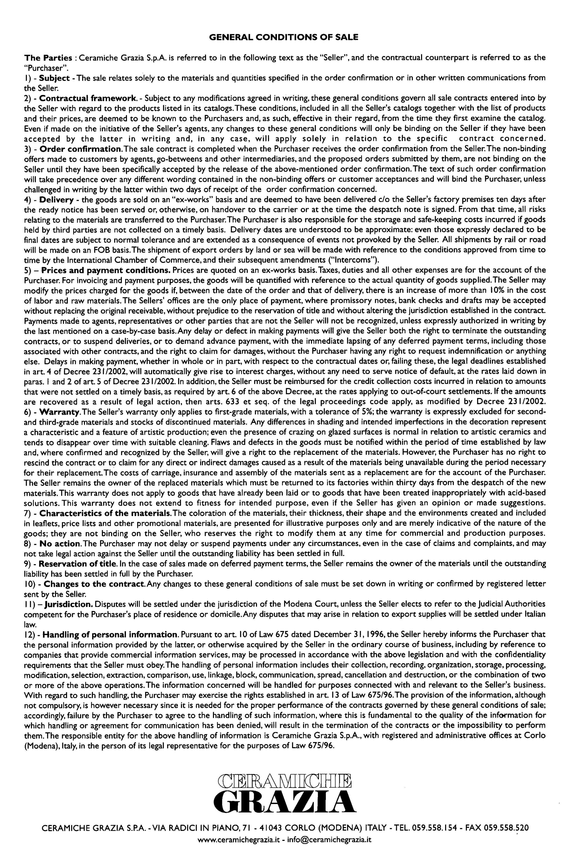

P | 1 | 2.80 | P | 34 | 7.60 | P | 67 | 3.90 | P | 101 | 78.50
R | 2 | 2.90 | R | 35 | 6.40 | R | 68 | 62.80 | R | 102 | 73.20
I | 3 | 12.10 | I | 36 | 3.60 | I | 69 | 60.50 | I | 103 | 76.90
C | 4 | 61.90 | C | 37 | 1.90 | C | 70 | 51.80 | C | 104 | 13.50
E | 5 | 11.80 | E | 38 | 1.60 | E | 71 | 14.70 | E | 105 | 13.70
 | 6 | 5.80 |  | 39 | 1.20 |  | 72 | 15.40 |  | 106 | 234.30
G | 7 | 5.30 | G | 40 | 16.60 | G | 73 | 21.50 | G | 107 | 311.70
R | 8 | 1.10 | R | 41 | 11.90 | R | 74 | 22.80 | R | 108 | 400.70
O | 9 | 1.30 | O | 42 | 58.70 | O | 75 | 12.30 | O | 109 | 267.20
U | 10 | 4.90 | U | 43 | 59.10 | U | 76 | 10.60 | U | 110 | 301.10
P | 11 | 9.70 | P | 44 | 12.10 | P | 77 | 9.50 | P | 111 | 10.30
 | 12 | 9.90 |  | 45 | 12.70 |  | 78 | 10.10 |  | 112 | 10.40
 | 13 | 21.00 |  | 46 | 39.60 |  | 79 | 4.10 |  | 113 | 52.90
 | 14 | 20.90 |  | 47 | 73.20 |  | 80 | 4.60 |  | 114 | 62.40
 | 15 | 18.10 |  | 48 | 71.30 |  | 81 | 85.50 |  | 115 | 64.50
 | 16 | 12.30 |  | 49 | 65.50 |  | 82 | 96.20 |  | 116 | 5.10
 | 17 | 8.00 |  | 50 | 61.40 |  | 83 | 77.10 |  | 117 | 70.20
 | 18 | 7.40 |  | 51 | 57.40 |  | 84 | 239.00 |  | 118 | 14.60
 | 19 | 7.50 |  | 52 | 56.70 |  | 85 | 109.20 |  | 119 | 14.70
 | 20 | 6.20 |  | 53 | 11.60 |  | 86 | 6.50 |  | 120 | 14.90
 | 21 | 5.90 |  | 54 | 12.10 |  | 87 | 5.70 |  | 121 | 16.40
 | 22 | 12.50 |  | 55 | 12.40 |  | 88 | 5.00 |  | 122 | 18.10
 | 23 | 12.80 |  | 56 | 8.90 |  | 89 | 214.20 |  | 123 | 19.40
 | 24 | 13.00 |  | 57 | 10.10 |  | 90 | 41.40 |  | 124 | 25.90
 | 25 | 13.20 |  | 58 | 13.80 |  | 91 | 81.30 |  | 125 | 26.10
 | 26 | 25.40 |  | 59 | 35.40 |  | 92 | 83.60 |  | 126 | 30.30
 | 27 | 27.50 |  | 60 | 74.90 |  | 93 | 103.60 |  | 127 | 81.30
 | 28 | 30.30 |  | 61 | 6.40 |  | 94 | 71.30 |  | 128 | 50.20
 | 29 | 34.80 |  | 62 | 6.10 |  | 95 | 91.30 |  | 129 | 110.30
 | 30 | 11.20 |  | 63 | 2.50 |  | 96 | 8.10 |  | 130 | 129.40
 | 31 | 11.10 |  | 64 | 3.40 |  | 97 | 103.60 |  | 131 | 111.30
 | 32 | 11.00 |  | 65 | 3.50 |  | 98 | 79.10 |  | 132 | 95.80
 | 33 | 8.60 |  | 66 | 11.40 |  | 99 | 68.60 |  | 133 | 178.10
 |  |  |  |  |  |  | 100 | 71.30 |  | 134 | 158.10

